Siteplan
Irish Traffic Surveys LTD
Survey Name : |  | ITS - 1078 N11 Kilpedder
Survey Type: |  | Automatic Traffic Count (ATC) Survey
Date: |  | 10.03.26 - 17.03.26
Time: |  | 00:00 - 23:59
Location: |  | 53.110885, -6.105614
Classification: |  | Car, LGV, OGV1, OGV2, PSV
Grid Reference: |  | O 26888 08352
X: |  | 326888
Y: |  | 208352
Latitude: |  | 53.110885
Longitude: |  | -6.105614
Address (near): |  | Kilpedder Road, Newcastle Upper ED, The Municipal District of Wicklow, County Wicklow, Leinster, A63 R680, Ireland
Site Overview
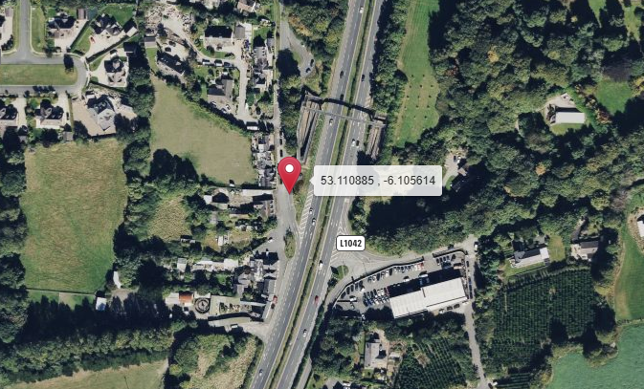

Direction A

Direction B

N

Description | Grid Reference | X | Y | Latitude | Longitude | Postcode | Address (near) | Point Link | Link For All Points
53.992382 , -6.512409 | H 97604 05799 | 297604 | 305799 | 53.992382 | -6.512409 |  | L31361, Castlering ED, The Municipal District of Dundalk, County Louth, Leinster, Ireland | Link | Link for All 1 Points

Summary
Irish Traffic Surveys LTD
Survey Name : |  | ITS - 1078 N11 Kilpedder
Survey Type: |  | Automatic Traffic Count (ATC) Survey
Date: |  | 10.03.26 - 17.03.26
Time: |  | 00:00 - 23:59
Location: |  | 53.990083, -6.125944
Classification: |  | Car, LGV, OGV1, OGV2, PSV
Site 1 |  |  |  |  |  |  | Weather
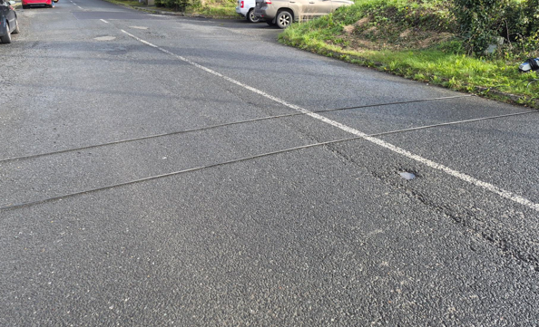
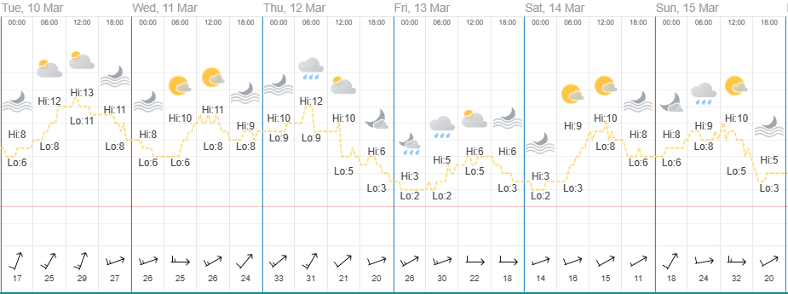
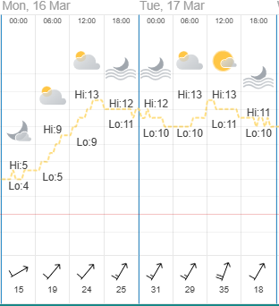

Direction A

Direction B

Virtual Week
Virtual Week - Both Directions |  |  |  |  |  |  |  |  |  |  | Virtual Week - Direction A |  |  |  |  |  |  |  |  |  |  | Virtual Week - Direction B

 | Monday | Tuesday | Wednesday | Thursday | Friday | Saturday | Sunday | AWDT | AWET | ADT |  | Monday | Tuesday | Wednesday | Thursday | Friday | Saturday | Sunday | AWDT | AWET | ADT |  | Monday | Tuesday | Wednesday | Thursday | Friday | Saturday | Sunday | AWDT | AWET | ADT
0:00:00 | 2 | 3 | 2 | 3 | 3 | 5 | 5 | 3 | 5 | 3 | 0:00:00 | 2 | 2 | 1 | 2 | 2 | 4 | 5 | 2 | 5 | 3 | 0:00:00 | 0 | 1 | 1 | 1 | 1 | 1 | 0 | 1 | 1 | 1
1:00:00 | 2 | 1 | 0 | 0 | 3 | 1 | 2 | 1 | 2 | 1 | 1:00:00 | 1 | 1 | 0 | 0 | 2 | 1 | 1 | 1 | 1 | 1 | 1:00:00 | 1 | 0 | 0 | 0 | 1 | 0 | 1 | 0 | 1 | 0
2:00:00 | 0 | 1 | 0 | 1 | 0 | 0 | 0 | 0 | 0 | 0 | 2:00:00 | 0 | 1 | 0 | 1 | 0 | 0 | 0 | 0 | 0 | 0 | 2:00:00 | 0 | 0 | 0 | 0 | 0 | 0 | 0 | 0 | 0 | 0
3:00:00 | 1 | 0 | 1 | 0 | 0 | 0 | 1 | 0 | 1 | 0 | 3:00:00 | 1 | 0 | 1 | 0 | 0 | 0 | 1 | 0 | 1 | 0 | 3:00:00 | 0 | 0 | 0 | 0 | 0 | 0 | 0 | 0 | 0 | 0
4:00:00 | 1 | 1 | 1 | 1 | 3 | 2 | 1 | 1 | 2 | 1 | 4:00:00 | 1 | 1 | 1 | 1 | 3 | 2 | 1 | 1 | 2 | 1 | 4:00:00 | 0 | 0 | 0 | 0 | 0 | 0 | 0 | 0 | 0 | 0
5:00:00 | 3 | 6 | 3 | 5 | 2 | 3 | 3 | 4 | 3 | 4 | 5:00:00 | 3 | 6 | 3 | 5 | 2 | 2 | 3 | 4 | 3 | 3 | 5:00:00 | 0 | 0 | 0 | 0 | 0 | 1 | 0 | 0 | 1 | 0
6:00:00 | 11 | 380 | 326 | 154 | 10 | 3 | 1 | 176 | 2 | 126 | 6:00:00 | 10 | 378 | 326 | 152 | 10 | 3 | 1 | 175 | 2 | 126 | 6:00:00 | 1 | 2 | 0 | 2 | 0 | 0 | 0 | 1 | 0 | 1
7:00:00 | 35 | 217 | 106 | 62 | 36 | 13 | 5 | 91 | 9 | 68 | 7:00:00 | 33 | 216 | 104 | 59 | 36 | 13 | 4 | 90 | 9 | 66 | 7:00:00 | 2 | 1 | 2 | 3 | 0 | 0 | 1 | 2 | 1 | 1
8:00:00 | 45 | 76 | 61 | 65 | 49 | 26 | 12 | 59 | 19 | 48 | 8:00:00 | 45 | 75 | 59 | 63 | 49 | 25 | 12 | 58 | 19 | 47 | 8:00:00 | 0 | 1 | 2 | 2 | 0 | 1 | 0 | 1 | 1 | 1
9:00:00 | 48 | 355 | 55 | 52 | 55 | 36 | 28 | 113 | 32 | 90 | 9:00:00 | 44 | 354 | 52 | 51 | 54 | 35 | 28 | 111 | 32 | 88 | 9:00:00 | 4 | 1 | 3 | 1 | 1 | 1 | 0 | 2 | 1 | 2
10:00:00 | 38 | 32 | 41 | 50 | 46 | 50 | 36 | 41 | 43 | 42 | 10:00:00 | 37 | 31 | 41 | 47 | 44 | 49 | 35 | 40 | 42 | 41 | 10:00:00 | 1 | 1 | 0 | 3 | 2 | 1 | 1 | 1 | 1 | 1
11:00:00 | 49 | 49 | 60 | 42 | 51 | 37 | 36 | 50 | 37 | 46 | 11:00:00 | 47 | 45 | 55 | 40 | 47 | 37 | 36 | 47 | 37 | 44 | 11:00:00 | 2 | 4 | 5 | 2 | 4 | 0 | 0 | 3 | 0 | 2
12:00:00 | 61 | 53 | 63 | 57 | 50 | 59 | 52 | 57 | 56 | 56 | 12:00:00 | 56 | 49 | 57 | 53 | 48 | 56 | 47 | 53 | 52 | 52 | 12:00:00 | 5 | 4 | 6 | 4 | 2 | 3 | 5 | 4 | 4 | 4
13:00:00 | 66 | 50 | 59 | 43 | 57 | 66 | 51 | 55 | 59 | 56 | 13:00:00 | 58 | 46 | 54 | 42 | 53 | 63 | 50 | 51 | 57 | 52 | 13:00:00 | 8 | 4 | 5 | 1 | 4 | 3 | 1 | 4 | 2 | 4
14:00:00 | 54 | 57 | 53 | 56 | 58 | 38 | 34 | 56 | 36 | 50 | 14:00:00 | 53 | 53 | 49 | 50 | 53 | 36 | 32 | 52 | 34 | 47 | 14:00:00 | 1 | 4 | 4 | 6 | 5 | 2 | 2 | 4 | 2 | 3
15:00:00 | 51 | 62 | 48 | 48 | 73 | 33 | 50 | 56 | 42 | 52 | 15:00:00 | 47 | 58 | 45 | 42 | 62 | 31 | 47 | 51 | 39 | 47 | 15:00:00 | 4 | 4 | 3 | 6 | 11 | 2 | 3 | 6 | 3 | 5
16:00:00 | 57 | 67 | 66 | 63 | 77 | 47 | 48 | 66 | 48 | 61 | 16:00:00 | 55 | 65 | 62 | 58 | 67 | 43 | 41 | 61 | 42 | 56 | 16:00:00 | 2 | 2 | 4 | 5 | 10 | 4 | 7 | 5 | 6 | 5
17:00:00 | 37 | 55 | 56 | 50 | 64 | 57 | 44 | 52 | 51 | 52 | 17:00:00 | 34 | 49 | 52 | 47 | 60 | 50 | 40 | 48 | 45 | 47 | 17:00:00 | 3 | 6 | 4 | 3 | 4 | 7 | 4 | 4 | 6 | 4
18:00:00 | 40 | 34 | 41 | 47 | 35 | 36 | 29 | 39 | 33 | 37 | 18:00:00 | 35 | 32 | 35 | 44 | 31 | 31 | 26 | 35 | 29 | 33 | 18:00:00 | 5 | 2 | 6 | 3 | 4 | 5 | 3 | 4 | 4 | 4
19:00:00 | 27 | 22 | 23 | 18 | 39 | 33 | 27 | 26 | 30 | 27 | 19:00:00 | 24 | 19 | 23 | 17 | 36 | 29 | 23 | 24 | 26 | 24 | 19:00:00 | 3 | 3 | 0 | 1 | 3 | 4 | 4 | 2 | 4 | 3
20:00:00 | 14 | 18 | 19 | 15 | 18 | 20 | 13 | 17 | 17 | 17 | 20:00:00 | 13 | 16 | 18 | 14 | 16 | 17 | 13 | 15 | 15 | 15 | 20:00:00 | 1 | 2 | 1 | 1 | 2 | 3 | 0 | 1 | 2 | 1
21:00:00 | 14 | 10 | 19 | 19 | 18 | 15 | 11 | 16 | 13 | 15 | 21:00:00 | 13 | 9 | 16 | 18 | 16 | 14 | 9 | 14 | 12 | 14 | 21:00:00 | 1 | 1 | 3 | 1 | 2 | 1 | 2 | 2 | 2 | 2
22:00:00 | 7 | 5 | 11 | 12 | 14 | 15 | 10 | 10 | 13 | 11 | 22:00:00 | 7 | 5 | 10 | 10 | 14 | 15 | 10 | 9 | 13 | 10 | 22:00:00 | 0 | 0 | 1 | 2 | 0 | 0 | 0 | 1 | 0 | 0
23:00:00 | 4 | 4 | 3 | 4 | 5 | 7 | 9 | 4 | 8 | 5 | 23:00:00 | 4 | 4 | 3 | 3 | 5 | 6 | 9 | 4 | 8 | 5 | 23:00:00 | 0 | 0 | 0 | 1 | 0 | 1 | 0 | 0 | 1 | 0
Total | 667 | 1558 | 1117 | 867 | 766 | 602 | 508 | 995 | 555 | 869 | Total | 623 | 1515 | 1067 | 819 | 710 | 562 | 474 | 947 | 518 | 824 | Total | 44 | 43 | 50 | 48 | 56 | 40 | 34 | 48 | 37 | 45

AM peak | 49 (1100) | 380 (0600) | 326 (0600) | 154 (0600) | 55 (0900) | 50 (1000) | 36 (1000) | 176 (0600) | 43 (1000) | 126 (0600) | AM peak | 47 (1100) | 378 (0600) | 326 (0600) | 152 (0600) | 54 (0900) | 49 (1000) | 36 (1100) | 175 (0600) | 42 (1000) | 126 (0600) | AM peak | 4 (0900) | 4 (1100) | 5 (1100) | 3 (0700) | 4 (1100) | 1 (0000) | 1 (0100) | 3 (1100) | 1 (1000) | 2 (1100)
PM peak | 66 (1300) | 67 (1600) | 66 (1600) | 63 (1600) | 77 (1600) | 66 (1300) | 52 (1200) | 66 (1600) | 59 (1300) | 61 (1600) | PM peak | 58 (1300) | 65 (1600) | 62 (1600) | 58 (1600) | 67 (1600) | 63 (1300) | 50 (1300) | 61 (1600) | 57 (1300) | 56 (1600) | PM peak | 8 (1300) | 6 (1700) | 6 (1200) | 6 (1400) | 11 (1500) | 7 (1700) | 7 (1600) | 6 (1500) | 6 (1600) | 5 (1600)
Day peak | 66 (1300) | 380 (0600) | 326 (0600) | 154 (0600) | 77 (1600) | 66 (1300) | 52 (1200) | 176 (0600) | 59 (1300) | 126 (0600) | Day peak | 58 (1300) | 378 (0600) | 326 (0600) | 152 (0600) | 67 (1600) | 63 (1300) | 50 (1300) | 175 (0600) | 57 (1300) | 126 (0600) | Day peak | 8 (1300) | 6 (1700) | 6 (1200) | 6 (1400) | 11 (1500) | 7 (1700) | 7 (1600) | 6 (1500) | 6 (1600) | 5 (1600)

Mean | 32.6 | 35.6 | 35.1 | 34.6 | 32.7 | 32.6 | 32.6 | 34.5 | 32.6 | 34.1 | Mean | 33.3 | 35.9 | 35.6 | 35.1 | 33.3 | 33.2 | 33.3 | 35.0 | 33.2 | 34.6 | Mean | 22.5 | 25.4 | 24.1 | 25.9 | 24.5 | 24.9 | 23.6 | 24.5 | 24.3 | 24.4
Speed 85% | 40.5 | 42.3 | 42.7 | 42.5 | 40.5 | 39.7 | 39.8 | 41.9 | 39.8 | 41.6 | Speed 85% | 40.9 | 42.5 | 42.8 | 42.7 | 40.7 | 40.0 | 40.0 | 42.1 | 40.0 | 41.8 | Speed 85% | 29.9 | 30.3 | 32.5 | 33.9 | 31.8 | 33.0 | 29.0 | 31.3 | 30.9 | 31.2
Exceeding | 5 | 27 | 17 | 15 | 4 | 6 | 5 | 14 | 6 | 11 | Exceeding | 5 | 27 | 17 | 15 | 4 | 6 | 5 | 14 | 6 | 11 | Exceeding | 0 | 0 | 0 | 0 | 0 | 0 | 0 | 0 | 0 | 0
Percent Ex | 0.750 | 1.733 | 1.522 | 1.730 | 0.522 | 0.997 | 0.984 | 1.367 | 0.991 | 1.298 | Percent Ex | 0.803 | 1.782 | 1.593 | 1.832 | 0.563 | 1.068 | 1.055 | 1.436 | 1.062 | 1.369 | Percent Ex | 0.000 | 0.000 | 0.000 | 0.000 | 0.000 | 0.000 | 0.000 | 0.000 | 0.000 | 0.000
Mean Ex | 56.5 | 53.8 | 52.8 | 52.4 | 54.3 | 55.1 | 52.1 | 53.5 | 53.7 | 53.5 | Mean Ex | 56.5 | 53.8 | 52.8 | 52.4 | 54.3 | 55.1 | 52.1 | 53.5 | 53.7 | 53.5 | Mean Ex | - | - | - | - | - | - | - | - | - | -
Class Bin Chart |  |  |  |  |  |  |  |  |  |  | Speed |  |  |  |  |  |  |  |  |  |  | Vehicle Flow

COBA Classification Legend
Irish Traffic Surveys LTD
DfT-UK |  |  |  |  |  |  |  |  | Report Legend |  | Coba Classification Chart
GB DTp National Core Census.
Units: Metric (m)
Car class: 3
Unclassifiable vehicle class: 12 |  | 53.990083, -6.125944
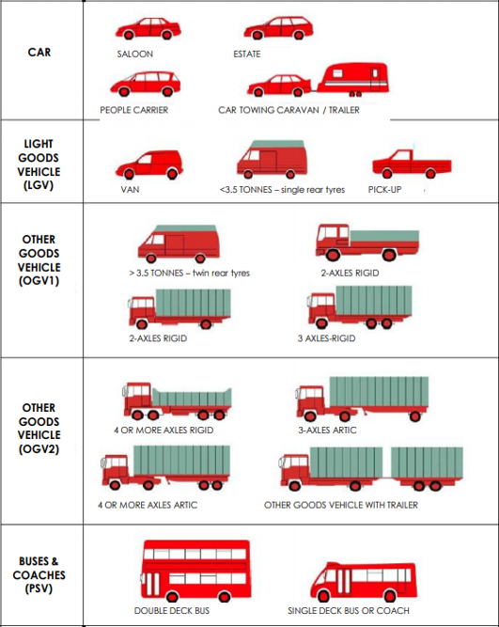
Class | Type | Axles | SP1 Axle Width | SP2 Axle Width | SP3 Axle Width | SP4 Axle Width | SP5 Axle Width |  | Time [-- | Time Range
1 | C | 2 | 0.00 - 1.06 |  |  |  |  | MC/Pedalcyclist | Total | Total number of Vehicles
1 | O | 2 | 1.06 - 1.70 |  |  |  |  |  | Vmin Speed | Minimum Recorded Speed
1 | CAR | 2 | 1.70 - 2.64 |  |  |  |  | Car | Vmax Speed | Maximum Recorded Speed
1 |  | 3 | 1.89 - 2.95 | 1.90 - 4.00 |  |  |  |  | Mean Average Speed | Average Recorded Speeds
1 |  | 3 | 1.89 - 2.95 | 3.50 - 6.00 |  |  |  |  | Vpp 85% Speed | 85 % Percentile Speed
1 |  | 4 | 1.89 - 2.95 | 1.90 - 6.00 | 0.50 - 1.30 |  |  |  | Cls 1 Car | Total number of Vehicles
2 | LGV | 2 | 2.64 - 3.75 |  |  |  |  | LGV | Cls 2 LGV | Total number of Vehicles
3 | R2 | 2 | 3.75 - 6.00 |  |  |  |  |  | Cls 3 OGV1 | Total number of Vehicles
3 | R3 | 3 | 2.00 - 6.00 | 1.00 - 1.90 |  |  |  |  | Cls 4 OGV2 | Total number of Vehicles
3 |  | 3 | 1.00 - 1.88 | 2.00 - 12.00 |  |  |  | OGV1 | Cls 5 PSV | Total number of Vehicles
3 | R4 | 4 | 1.00 - 1.90 | 2.00 - 12.00 | 1.00 - 1.90 |  |  |  | ]PSL 80 | Number of vehicles in excess of Speed Limit
3 |  | 4 | 3.00 - 9.00 | 1.00 - 2.50 | 1.00 - 2.50 |  |  |  | Average Speed Car | Average Speed for Cars
4 | A3 | 3 | 2.95 - 9.20 | 1.90 - 4.00 |  |  |  |  | Average Speed LGV | Average Speed for LGV
4 |  | 3 | 1.89 - 3.99 | 3.50 - 15.00 |  |  |  |  | Average Speed OGV1 | Average Speed for OGV1
4 |  | 4 | 2.95 - 12.00 | 2.00 - 12.00 | 2.50 - 12.00 |  |  |  | Average Speed OGV2 | Average Speed for OGV2
4 |  | 4 | 2.95 - 9.20 | 2.50 - 9.00 | 0.50 - 2.50 |  |  |  | Average Speed PSV | Average Speed for PSV
4 |  | 4 | 1.89 - 3.99 | 3.50 - 15.00 | 1.05 - 2.50
4 | A4 | 4 | 1.89 - 2.95 | 3.50 - 6.00 | 1.05 - 1.30
4 |  | 4 | 1.00 - 1.90 | 1.90 - 12.00 | 2.00 - 15.00 |  |  | OGV2
4 |  | 4 | 1.70 - 5.25 | 1.00 - 1.90 | 2.00 - 15.00
4 | A5+ | 5 | 2.00 - 12.00 | 1.00 - 12.00 | 2.00 - 12.00 | 1.00 - 1.90
4 |  | 5 | 2.00 - 12.00 | 1.00 - 1.90 | 1.90 - 12.00 | 2.50 - 12.00
4 |  | 5 | 1.70 - 5.25 | 1.00 - 1.90 | 2.00 - 15.00 | 1.00 - 2.50
4 |  | 5 | 1.00 - 1.90 | 1.90 - 12.00 | 2.00 - 15.00 | 1.00 - 2.50
4 |  | 5 | 2.00 - 12.00 | 2.00 - 15.00 | 0.70 - 1.80 | 0.70 - 1.80
4 |  | 6 | 2.00 - 12.00 | 1.00 - 1.90 | 1.90 - 12.00 | 2.00 - 12.00 | 1.00 - 1.90
4 |  | 6 | 1.90 - 5.25 | 1.00 - 1.90 | 2.00 - 15.00 | 1.00 - 1.90 | 1.00 - 1.90
5 | BUS | 2 | 6.00 - 12.00 |  |  |  |  | PSV
5 |  | 3 | 6.00 - 12.00 | 1.00 - 1.90

Version: 4.03
Last revised: March 2013

© 2013 MetroCount®

 |  |  |  |  |  |  | L31361, Castlering ED, The Municipal District of Dundalk, County Louth, Leinster, Ireland

